D-0112
Name/ Titel: |  | D-0112 Special release form eng |  |  |  |  |  |  |  |  | Request for special release
Version: |  | 8.0 |  |  |  |  |  |  |  |  | Voith Group/ Division Turbo
Editor: |  | Richard Weber |  |  |  |  |  |  |  |  | J.M.Voith SE & Co. KG / VTA
Released by: |  | Wolfgang Nusch |  |  |  |  |  |  |  |  | Alexanderstraße 2
Released on: |  | 31/07/2023 |  |  |  |  |  |  |  |  | 89522 Heidenheim, Deutschland
Head Data from Applicant
 | Material-no.: |  |  |  |  |  |  |  | Date:

 | Description |  |  |  |  |  |  |  | Material name

 | Drawing-no.: |  |  |  |  |  |  |  | Drawing-VS / -revision:

 | Supplier: |  |  |  |  |  |  |  | Supplier no.:

 | Order- / Delivery schedule no.: |  |  |  |  |  |  |  | Quantity:

 | Incoming goods inspect. lot no.: |  |  |  |  |  |  |  | Time period:
 | Serial number:
 | Description of the deviation:

 | Applicant: | Date/Name/Tel./Sign:

Risk assessment and release | Usage / Customer:

 | Description of the effect: |  |  |  |  |  |  | Task requirements:

 |  |  |  | yes |  | no |  |  |  |  |  |  | yes | no
 | Customer release? |  |  |  |  |  |  | Installation attempt?

 | 8D-Report required |  |  |  |  |  |  | Deviation CO2 relevant *)
 | *) Applies only to CV products that comply with CO2 legislation according to EU regulation. With "yes" none Special release possible.

 | Risk Matrix according to VT Directive 01/008
 |  |  |  |  |  |  | Escalation levels: Risk value RV 1-16
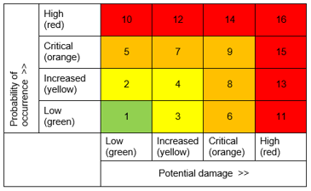
 |  |  | RV 1: |  | release by QAP und Engineering
 |  |  | RV 2-4: |  | release by Head of QAP and VP Engineering CCE or their representatives.
 |  |  | RV 5-9: |  | release by VP Quality Plants, SVP Quality and SVP Engineering
 |  |  | RV 10-16: |  | release is not possible

 | RV = Risk value

 | Release Voith |  | yes | no |  | Date/Sign |  |  |  |  |  | Remark

 | QAP (Plant)

 | Engineering

 | Head of QAP (Plant)

 | VP Engineering CCE

 | VP Quality Plants (Central)

 | SVP Quality

 | SVP Engineering

Traceability | Reuse up to/period: |  |  |  |  |  |  |  |  | Affected product number/ serial number:

Customer release |  |  | Yes | no |  | released/declined:
 | Customer release |  |  |  |  | Department / Name / Date / Sign

 | Requirements:

Final distributor:

